Summary
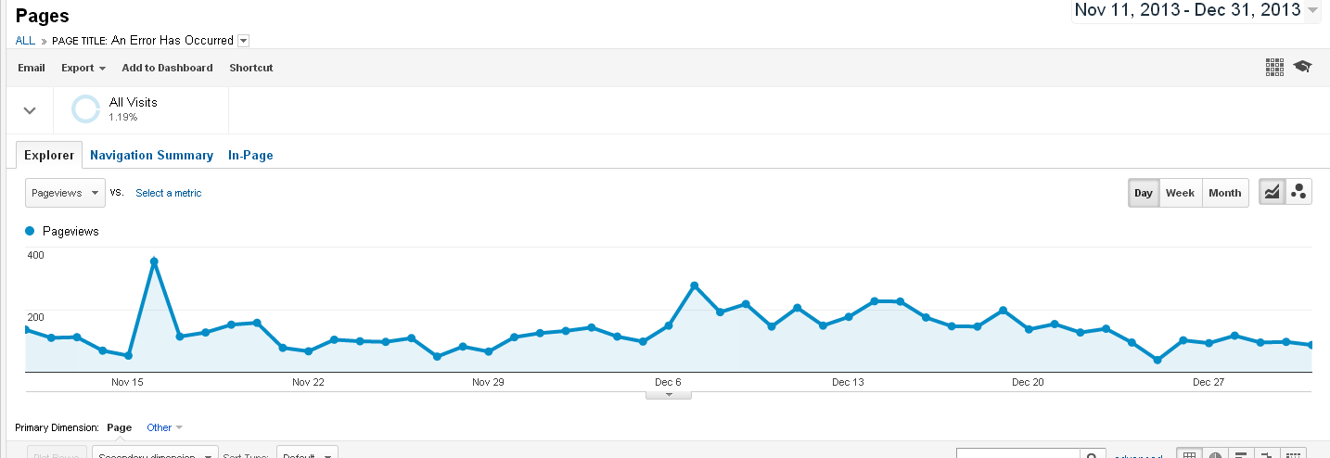
American Express Cruise
Pages
20131111-20131231

Links to data:
Dataset1
Dataset2

